Foglio1
The organic soil carbon content is represented by 4 active pools.​ The carbon input is given the sum of the plant input and the farmyard manure input. It is split between DPM and RPM compartments depending on R=DPM/RPM ratio which in turn depends on land use: forest, grassland and arable classes are associated to three different values of the parameter R. Each component of c represents the carbon content in each pool.​ The decomposition of each component is a first-order kinetic at the constant decomposition rate k.​ The Rho function modifies the decomposition rate of each active pool such that it increases with air temperature and reduces due to soil water deficits and the presence of a vegetated soil cover. ​ ​ ​ |  |  | 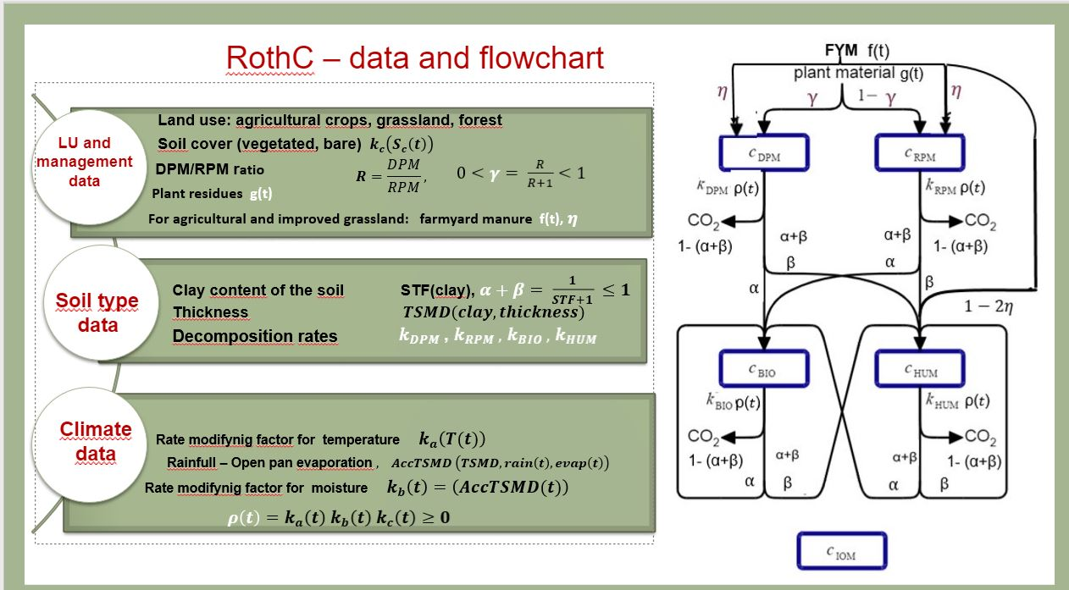

LU and management data

Temporal horizon |  |  | NPP (mean) |  | Land use | Forest | Grassland | Arable |  |  |  | Forest | Grassland | Arable | Forest | Grassland | Arable
 |  |  | tC / (ha year)
 |  |  |  |  | R= DPM/RPM ratio | 0.50.5 | 0.67 | 1.44

 |  |  |  |  |  | Sc (month) = Soil cover |  |  |  |  | gr (month) = Distribution of plant carbon inputs (%) |  |  |  | f(t) = Farmyard manure
 |  |  |  |  |  | 1 vegetated, 0 bare |  |  |  |  | proportion of the total annual Np |  |  |  | tC / (ha month)
 |  |  |  |  |  |  |  |  |  |  |  |  |  |  |  | η = 0.49
t0 | 2005 | JAN |  |  |  | 1 | 1 | 1 |  |  |  |  |  |  |  | 0 | 0
 |  | FEB |  |  |  | 1 | 1 | 1 |  |  |  |  |  |  |  | 0 | 3
 |  | MAR |  |  |  | 1 | 1 | 1 |  |  |  |  |  |  |  | 0 | 0
 |  | APR |  |  |  | 1 | 1 | 1 |  |  |  |  |  |  |  | 0 | 0
 |  | MAY |  |  |  | 1 | 1 | 1 |  |  |  |  |  |  |  | 0 | 0
 |  | JUN |  |  |  | 1 | 1 | 1 |  |  |  |  |  |  |  | 0 | 0
 |  | JUL |  |  |  | 1 | 1 | 1 |  |  |  |  |  |  |  | 0 | 0
 |  | AUG |  |  |  | 1 | 1 | 0 |  |  |  |  |  |  |  | 0 | 0
 |  | SEP |  |  |  | 1 | 1 | 0 |  |  |  |  |  |  |  | 0 | 0
 |  | OCT |  |  |  | 1 | 1 | 0 |  |  |  |  |  |  |  | 0 | 0
 |  | NOV |  |  |  | 1 | 1 | 0 |  |  |  |  |  |  |  | 0 | 0
 |  | DEC |  | 0.5840689 |  | 1 | 1 | 1 |  |  |  |  |  |  |  | 0 | 0
t1 | 2006 | JAN |  |  |  | 1 | 1 | 1 |  |  |  |  |  |  |  | 0 | 0
 |  | FEB |  |  |  | 1 | 1 | 1 |  |  |  |  |  |  |  | 0 | 3
 |  | MAR |  |  |  | 1 | 1 | 1 |  |  |  |  |  |  |  | 0 | 0
 |  | APR |  |  |  | 1 | 1 | 1 |  |  |  |  |  |  |  | 0 | 0
 |  | MAY |  |  |  | 1 | 1 | 1 |  |  |  |  |  |  |  | 0 | 0
 |  | JUN |  |  |  | 1 | 1 | 1 |  |  |  |  |  |  |  | 0 | 0
 |  | JUL |  |  |  | 1 | 1 | 1 |  |  |  |  |  |  |  | 0 | 0
 |  | AUG |  |  |  | 1 | 1 | 0 |  |  |  |  |  |  |  | 0 | 0
 |  | SEP |  |  |  | 1 | 1 | 0 |  |  |  |  |  |  |  | 0 | 0
 |  | OCT |  |  |  | 1 | 1 | 0 |  |  |  |  |  |  |  | 0 | 0
 |  | NOV |  |  |  | 1 | 1 | 0 |  |  |  |  |  |  |  | 0 | 3
 |  | DEC |  | 0.5549269 |  | 1 | 1 | 1 |  |  |  |  |  |  |  | 0 | 0
t2-t(final-1) | 2007-2018 | JAN |  |  |  | 1 | 1 | 1 |  |  |  |  |  |  |  | 0 | 0
 |  | FEB |  |  |  | 1 | 1 | 1 |  |  |  |  |  |  |  | 0 | 0
 |  | MAR |  |  |  | 1 | 1 | 1 |  |  |  |  |  |  |  | 0 | 0
 |  | APR |  |  |  | 1 | 1 | 1 |  |  |  |  |  |  |  | 0 | 0
 |  | MAY |  |  |  | 1 | 1 | 1 |  |  |  |  |  |  |  | 0 | 0
 |  | JUN |  |  |  | 1 | 1 | 1 |  |  |  |  |  |  |  | 0 | 0
 |  | JUL |  |  |  | 1 | 1 | 1 |  |  |  |  |  |  |  | 0 | 0
 |  | AUG |  |  |  | 1 | 1 | 0 |  |  |  |  |  |  |  | 0 | 0
 |  | SEP |  |  |  | 1 | 1 | 0 |  |  |  |  |  |  |  | 0 | 0
 |  | OCT |  |  |  | 1 | 1 | 0 |  |  |  |  |  |  |  | 0 | 0
 |  | NOV |  |  |  | 1 | 1 | 0 |  |  |  |  |  |  |  | 0 | 0
 |  | DEC |  |  |  | 1 | 1 | 1 |  |  |  |  |  |  |  | 0 | 0
tfinal | 2019 | JAN |  |  |  | 1 | 1 | 1 |  |  |  |  |  |  |  | 0 | 0
 |  | FEB |  |  |  | 1 | 1 | 1 |  |  |  |  |  |  |  | 0 | 3
 |  | MAR |  |  |  | 1 | 1 | 1 |  |  |  |  |  |  |  | 0 | 0
 |  | APR |  |  |  | 1 | 1 | 1 |  |  |  |  |  |  |  | 0 | 0
 |  | MAY |  |  |  | 1 | 1 | 1 |  |  |  |  |  |  |  | 0 | 0
 |  | JUN |  |  |  | 1 | 1 | 1 |  |  |  |  |  |  |  | 0 | 0
 |  | JUL |  |  |  | 1 | 1 | 1 |  |  |  |  |  |  |  | 0 | 0
 |  | AUG |  |  |  | 1 | 1 | 0 |  |  |  |  |  |  |  | 0 | 0
 |  | SEP |  |  |  | 1 | 1 | 0 |  |  |  |  |  |  |  | 0 | 0
 |  | OCT |  |  |  | 1 | 1 | 0 |  |  |  |  |  |  |  | 0 | 0
 |  | NOV |  |  |  | 1 | 1 | 0 |  |  |  |  |  |  |  | 0 | 3
 |  | DEC |  | 0.6225864 |  | 1 | 1 | 1 |  |  |  |  |  |  |  | 0 | 0

Soil type data

clay content (%) |  | 0.5

Thickness (cm) |  | 20

Decomposition rates

KDPM |  | 0.8333
KRPM |  | 0.025
KBIO |  | 0.055
KHUM |  | 0.0017

Climate data

 |  |  |  |  |  | Temperature (°C) |  | Rainfall (mm) |  | Diurnal temperature (°C)
t0 | 2005 | JAN |  |  |  |  | 5.50 |  | 75.9 |  | 6.8
 |  | FEB |  |  |  |  | 4.20 |  | 62.8 |  | 6.1
 |  | MAR |  |  |  |  | 8.10 |  | 57.4 |  | 8.1
 |  | APR |  |  |  |  | 11.40 |  | 56.2 |  | 8.2
 |  | MAY |  |  |  |  | 16.90 |  | 35.5 |  | 9.7
 |  | JUN |  |  |  |  | 20.50 |  | 26.5 |  | 9.6
 |  | JUL |  |  |  |  | 23.60 |  | 22.7 |  | 10.5
 |  | AUG |  |  |  |  | 22.00 |  | 45.2 |  | 9.5
 |  | SEP |  |  |  |  | 19.80 |  | 77.9 |  | 8.3
 |  | OCT |  |  |  |  | 15.10 |  | 142.7 |  | 7.3
 |  | NOV |  |  |  |  | 10.80 |  | 126.7 |  | 6.9
 |  | DEC |  |  |  |  | 6.80 |  | 126.1 |  | 6.1
t1 | 2006 | JAN |  |  |  |  | 5.00 |  | 55 |  | 5.1
 |  | FEB |  |  |  |  | 6.20 |  | 74.2 |  | 6.3
 |  | MAR |  |  |  |  | 8.10 |  | 75.3 |  | 7.5
 |  | APR |  |  |  |  | 12.50 |  | 64.1 |  | 8.2
 |  | MAY |  |  |  |  | 16.90 |  | 27 |  | 9.8
 |  | JUN |  |  |  |  | 20.50 |  | 64.7 |  | 10.5
 |  | JUL |  |  |  |  | 24.00 |  | 34 |  | 9.8
 |  | AUG |  |  |  |  | 22.50 |  | 68.6 |  | 9.8
 |  | SEP |  |  |  |  | 20.20 |  | 94.4 |  | 8.5
 |  | OCT |  |  |  |  | 16.30 |  | 19.4 |  | 7.8
 |  | NOV |  |  |  |  | 10.80 |  | 27.5 |  | 8.1
 |  | DEC |  |  |  |  | 8.20 |  | 67.3 |  | 6.4
t2-t(final-1) | 2007-2018 | JAN
 |  | FEB
 |  | MAR
 |  | APR
 |  | MAY
 |  | JUN
 |  | JUL
 |  | AUG
 |  | SEP
 |  | OCT
 |  | NOV
 |  | DEC
tfinal | 2019 | JAN |  |  |  |  | 5.30 |  | 93.7 |  | 6.1
 |  | FEB |  |  |  |  | 7.60 |  | 24.2 |  | 7.3
 |  | MAR |  |  |  |  | 10.50 |  | 30.4 |  | 8.9
 |  | APR |  |  |  |  | 12.60 |  | 54.5 |  | 7.6
 |  | MAY |  |  |  |  | 14.10 |  | 89.5 |  | 8.4
 |  | JUN |  |  |  |  | 22.40 |  | 17.5 |  | 9.9
 |  | JUL |  |  |  |  | 24.20 |  | 52.2 |  | 9.6
 |  | AUG |  |  |  |  | 25.20 |  | 20.7 |  | 10.4
 |  | SEP |  |  |  |  | 21.00 |  | 33 |  | 8.4
 |  | OCT |  |  |  |  | 17.00 |  | 32.8 |  | 7.8
 |  | NOV |  |  |  |  | 13.30 |  | 211.6 |  | 5.6
 |  | DEC |  |  |  |  | 9.20 |  | 60.6 |  | 5.5

